VaR
 | AAPL | BA | BHP | CCL | CYDVF | EPD | FB | HII | J | JPM | LAC | LUV | ON | PAGP | PSX | QCOM | RIO | SLI | SNAP | SNPS | SPMTF | UNP | VIAC | VLO | ZIM
 |  |  |  |  |  |  |  |  |  |  |  |  |  |  |  |  |  |  |  |  |  |  |  |  |  | Combined Portfolio
Percentage of Portfolio Invested | 8.93% | 5.27% | 1.60% | 2.19% | 0.21% | 4.09% | 1.45% | 3.04% | 3.02% | 2.96% | 7.37% | 2.64% | 3.90% | 2.72% | 3.09% | 10.90% | 1.29% | 2.77% | 3.92% | 7.33% | 0.11% | 6.33% | 7.15% | 6.09% | 1.63% | 100%
Expected Annual Return | 10% | 10% | 10% | 10% | 10% | 10% | 10% | 10% | 10% | 10% | 10% | 10% | 10% | 10% | 10% | 10% | 10% | 10% | 10% | 10% | 10% | 10% | 10% | 10% | 10% | 10%
Portfolio Standard Deviation | 32.63% | 38.89% | 26.32% | 24.95% | 0.00% | 19.44% | 35.68% | 38.13% | 26.65% | 18.24% | 98.14% | 46.76% | 37.91% | 31.66% | 23.06% | 31.02% | 24.81% | 0.00% | 90.66% | 27.92% | 139.25% | 21.82% | 31.26% | 32.45% | 0.00% | 24.97%
Portfolio Correlation | -31% | 6% | -31% | 0% | 0% | 42% | 65% | 45% | 67% | -44% | -37% | -3% | 22% | 22% | -19% | 63% | 0% | 0% | 86% | 60% | 15% | 36% | 45% | 0% | 0%
Sum of Expected Ann Ret | 0.0089338489121 | 0.005271925748 | 0.0015971228281 | 0.0021892273855 | 0.00020693695038 | 0.0040857631484 | 0.0014538562386 | 0.0030439597654 | 0.0030166440879 | 0.0029558410454 | 0.0073689420284 | 0.0026381150183 | 0.0039049830285 | 0.002723290267 | 0.0030858438041 | 0.010902431844 | 0.0012878100296 | 0.0027676575492 | 0.0039225312819 | 0.0073327694495 | 0.00011323589925 | 0.0063255824795 | 0.0071517410053 | 0.0060922238193 | 0.0016277163869
Avg Correl | 0.24083141907 | 0.21842382906 | 0.22354595064 | 0.12213620568 |  | 0.32812250846 | 0.33497846543 | 0.32375312941 | 0.39243061425 | 0.40114842546 | -0.015989428284 | 0.17765579362 | 0.26425699417 | 0.17212603821 | 0.28774366556 | 0.27863777226 | 0.30794907734 |  | 0.17949414294 | 0.27979797138 | 0.16046460792 | 0.36022367176 | 0.28548319856 | 0.17062444011
Beta | 1.18 | 1.43 | 0.97 | 2.88 | 1.11 |  | 1.36 | 0.96 | 0.85 | 1.09 | 1.35 | 1.01 | 1.75 | 1.86 | 1.48 | 1.27 | 0.60 | 1.74 | 1.15 | 1.19 | 1.31 | 1.18 | 1.44 | 1.94 |  | 1.35

Year | AAPL | BA | BHP | CCL | CYDVF | EPD | FB | HII | J | JPM | LAC | LUV | ON | PAGP | PSX | QCOM | RIO | SLI | SNAP | SNPS | SPMTF | UNP | VIAC | VLO | ZIM | Avg. Return
2012 | 31.40% | 2.74% | 11.03% | 12.65% | 0.00% | 7.98% | 0.00% | 38.55% | 4.90% | 32.24% | 0.00% | 19.63% | -8.68% | 0.00% | 0.00% | 13.09% | 18.74% | 0.00% | 0.00% | 17.04% | 0.00% | 18.67% | 40.20% | 62.09% | 0.00% | 12.89%
2013 | 5.42% | 81.12% | -13.03% | 9.25% | 0.00% | 32.39% | 105.30% | 107.68% | 47.97% | 33.00% | 0.00% | 83.98% | 16.88% | 0.00% | 45.25% | 20.03% | -2.86% | 0.00% | 0.00% | 27.44% | 0.00% | 33.63% | 67.52% | 47.71% | 0.00% | 29.95%
2014 | 37.72% | -4.77% | -30.62% | 12.85% | 0.00% | 8.96% | 42.76% | 24.94% | -29.05% | 7.01% | 0.00% | 124.63% | 22.94% | -4.07% | -7.04% | 0.11% | -18.38% | 0.00% | 0.00% | 7.15% | 0.00% | 41.82% | -13.18% | -1.79% | 0.00% | 8.88%
2015 | -4.64% | 11.24% | -45.56% | 20.19% | 0.00% | -29.18% | 34.15% | 12.80% | -6.13% | 5.51% | 0.00% | 1.75% | -3.26% | -63.20% | 14.09% | -32.75% | -36.78% | 0.00% | 0.00% | 4.92% | 0.00% | -34.36% | -14.84% | 42.85% | 0.00% | -4.93%
2016 | 10.03% | 7.67% | 38.90% | -4.44% | 0.00% | 5.71% | 9.93% | 45.20% | 35.88% | 30.68% | 0.00% | 15.75% | 30.20% | 37.80% | 5.64% | 30.44% | 32.07% | 0.00% | 0.00% | 29.05% | 0.00% | 32.58% | 34.99% | -3.38% | 0.00% | 16.99%
2017 | 46.11% | 89.43% | 28.54% | 27.49% | 0.00% | -1.96% | 53.38% | 27.97% | 15.72% | 23.93% | 0.00% | 31.32% | 64.11% | -36.71% | 17.06% | -1.81% | 37.62% | 0.00% | 0.00% | 44.82% | 375.14% | 29.34% | -7.26% | 34.53% | 0.00% | 35.95%
2018 | -6.79% | 9.36% | 5.00% | -25.72% | 0.00% | -7.24% | -25.71% | -19.26% | -11.37% | -8.72% | 0.00% | -28.98% | -21.16% | -8.43% | -14.83% | -11.11% | -8.41% | 0.00% | -62.29% | -1.17% | -67.15% | 3.08% | -25.90% | -18.43% | 0.00% | -14.21%
2019 | 86.16% | 1.01% | 13.29% | 3.10% | 0.00% | 14.52% | 56.57% | 31.83% | 53.66% | 42.80% | 0.00% | 16.14% | 47.67% | -5.72% | 29.32% | 55.03% | 22.44% | 0.00% | 196.37% | 65.24% | 7.41% | 30.79% | -4.00% | 24.92% | 0.00% | 31.54%
2020 | 80.75% | -34.29% | 19.43% | -57.39% | 0.00% | -30.43% | 33.09% | -32.05% | 21.30% | -8.85% | 295.90% | -13.65% | 34.25% | -55.41% | -37.22% | 72.66% | 26.72% | 0.00% | 206.61% | 86.24% | 250.69% | 15.17% | -11.22% | -39.59% | 0.00% | 32.91%
2021 | 33.82% | -5.95% | -7.64% | -7.11% | 0.00% | 12.10% | 23.13% | 9.54% | 27.78% | 24.62% | 132.03% | -8.09% | 107.52% | 20.00% | 3.60% | 20.04% | -11.01% | 0.00% | -6.07% | 42.15% | 16.13% | 20.99% | -19.00% | 32.77% | 0.00% | 18.45%

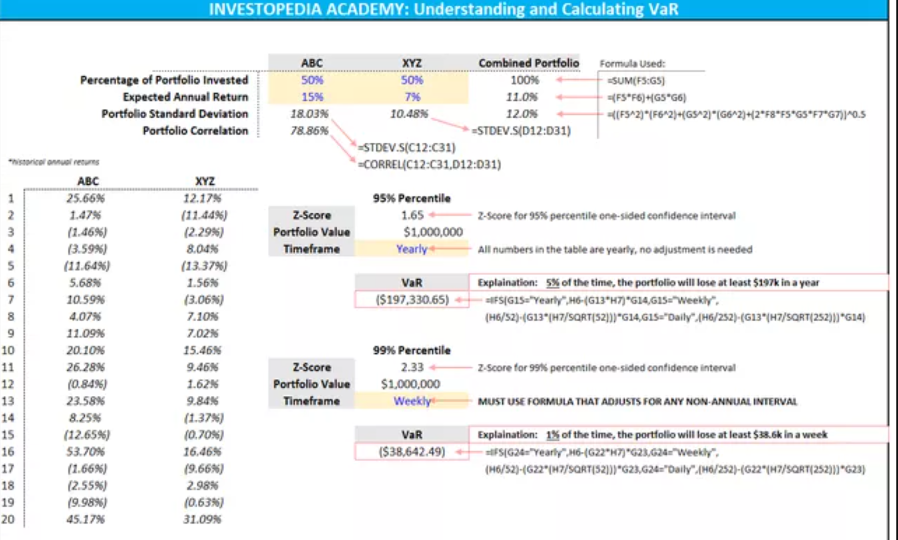
Need to solve correlation formula. Current calculation is throwing off numbers
 | Portfolio Info
Portfolio Value | $330,339.66
Timeframe | Yearly

Percentile | Z-Score | VaR | ~% Chance
1st | -2.326 | $191,877.42 | 1%
5th | -1.645 | $135,700.09 | 5%
10th | -1.282 | $105,755.35 | 10%
25th | -0.675 | $55,682.47 | 25%
50th | 0 | $0.10 | 50%
75th | 0.675 | $(55,682.27) | 25%
90th | 1.282 | $(105,755.15) | 10%
95th | 1.645 | $(135,699.89) | 5%
99th | 2.326 | $(191,877.22) | 1%

